Sheet1
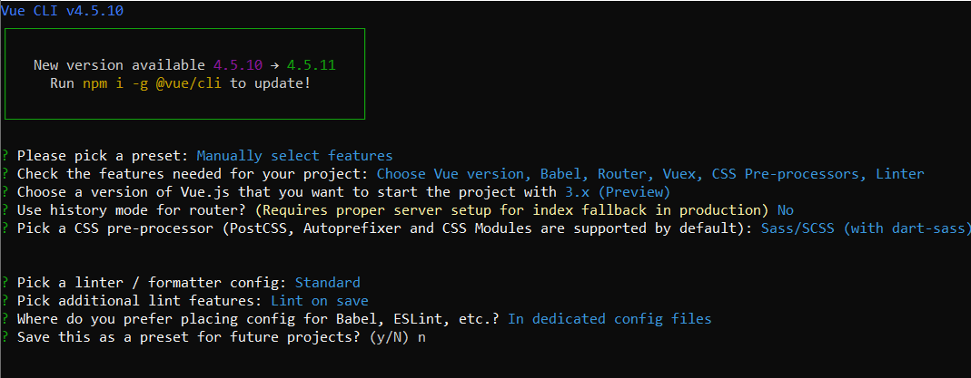
in \Scriptie 2020\OpenESEA_App
python3 -m venv openesea_env
source .\openesea_env\scripts\activate
pip install django
python -m pip install -U pip
pip install django-rest-framework

django-admin startproject ESEA_backend
in OpenESEA_App\ESEA_backend
django-admin startapp ESEA_core

Added rest_framework & ESEA_core app to INSTALLED_APPS

Created Model Subscription
python manage.py makemigrations
python manage.py migrate

Created SubscriptionSerializer in ESEA_core/serializers.py
Created SubscriptionList & SubscriptionDetail in ESEA_core/views.py

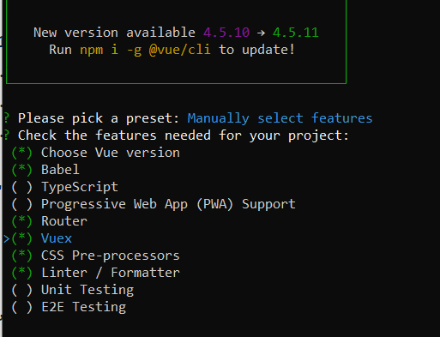
Created ESEA_backend/urls.py with path('api/', include('ESEA_core.urls')),
Created ESEA_core/urls.py with path('subscriptions/', views.SubscriptionList.as_view()), path('subscriptions/<int:pk>/', views.SubscriptionDetail.as_view())

pip install django-cors-headers
Added corsheaders to INSTALLED_APPS & MIDDLEWARE
CORS_ORIGIN_ALLOW_ALL = True in ESEA_backend/settings.py

in OpenESEA_App\
vue create esea_frontend

in OpenESEA_App\esea_frontend
npm install --save axios
npm install --save vuetify

main.js import Vuetify from "vuetify";
main.js import "vuetify/dist/vuetify.min.css";
Added Material Icons into index.html head

npm install primevue@^3.2.0-rc.1 --save
npm install primeicons --save
npm install mitt --save (for toast @primevue)

